Canada EIs
Canada
Energy Intensity (MJ/$2007 – GDP)
 | 1990.00 | 1991.00 | 1992.00 | 1993.00 | 1994.00 | 1995.00 | 1996.00 | 1997.00 | 1998.00 | 1999.00 | 2000.00 | 2001.00 | 2002.00 | 2003.00 | 2004.00 | 2005.00 | 2006.00 | 2007.00 | 2008.00 | 2009.00 | 2010.00 | 2011.00 | 2012.00 | 2013.00 | 2014.00 | 2015.00
Construction | 0.92 | 0.86 | 0.93 | 0.85 | 0.88 | 0.82 | 0.81 | 0.76 | 0.72 | 0.72 | 0.70 | 0.64 | 0.71 | 0.74 | 0.75 | 0.75 | 0.74 | 0.73 | 0.71 | 0.67 | 0.69 | 0.72 | 0.70 | 0.66 | 0.63 | 0.70
Pulp and Paper | 87.60 | 62.90 | 60.19 | 56.48 | 56.43 | 92.01 | 87.59 | 91.26 | 88.33 | 86.56 | 84.11 | 80.77 | 80.26 | 79.12 | 86.63 | 79.29 | 79.97 | 77.86 | 73.42 | 82.42 | 72.73 | 73.86 | 75.69 | 82.38 | 81.20 | 74.91
Smelting and Refining | 46.84 | 43.30 | 45.78 | 46.65 | 50.33 | 48.28 | 47.51 | 38.51 | 35.63 | 33.38 | 29.64 | 27.87 | 29.64 | 31.64 | 27.87 | 28.18 | 29.20 | 29.62 | 30.56 | 31.60 | 32.22 | 31.86 | 30.44 | 30.83 | 31.88 | 31.93
Petroleum Refining | 59.69 | 61.02 | 59.77 | 59.40 | 55.17 | 62.86 | 60.27 | 57.08 | 52.94 | 44.18 | 56.80 | 52.32 | 57.67 | 53.70 | 59.41 | 55.70 | 61.42 | 61.82 | 57.69 | 53.59 | 57.82 | 60.41 | 59.10 | 55.15 | 56.19 | 54.16
Cement | 65.49 | 69.18 | 76.16 | 77.10 | 84.11 | 85.61 | 77.80 | 65.10 | 71.59 | 75.08 | 74.11 | 67.13 | 72.52 | 71.14 | 65.81 | 57.64 | 60.32 | 55.45 | 58.73 | 66.50 | 65.15 | 62.20 | 59.47 | 59.63 | 58.96 | 60.72
Chemicals | 73.88 | 86.81 | 81.97 | 75.69 | 82.54 | 80.09 | 80.93 | 72.53 | 72.74 | 73.87 | 67.91 | 64.57 | 68.28 | 57.79 | 66.64 | 60.91 | 61.80 | 65.11 | 72.08 | 87.94 | 82.44 | 85.34 | 89.45 | 89.47 | 89.56 | 92.16
Iron and Steel | 62.03 | 70.58 | 68.24 | 65.36 | 66.37 | 63.37 | 64.80 | 66.38 | 62.81 | 63.72 | 60.96 | 63.92 | 59.41 | 61.71 | 64.14 | 62.97 | 66.47 | 66.65 | 74.87 | 92.85 | 78.17 | 74.83 | 73.20 | 71.81 | 69.66 | 67.52
Other Manufacturing | 5.29 | 7.87 | 7.74 | 6.86 | 6.91 | 4.65 | 4.54 | 4.34 | 3.91 | 3.64 | 3.42 | 3.31 | 3.33 | 3.38 | 3.43 | 3.40 | 3.34 | 3.50 | 3.56 | 3.79 | 3.58 | 3.56 | 3.57 | 3.72 | 3.50 | 3.11
Forestry | 1.29 | 1.24 | 1.38 | 1.42 | 1.29 | 1.31 | 1.71 | 2.31 | 2.56 | 2.95 | 3.17 | 3.62 | 3.45 | 4.12 | 4.79 | 4.85 | 5.54 | 5.80 | 6.55 | 5.64 | 5.08 | 4.11 | 4.05 | 3.80 | 3.73 | 3.80
Mining | 4.17 | 3.81 | 3.81 | 4.39 | 4.30 | 4.41 | 4.60 | 4.51 | 4.25 | 4.70 | 4.67 | 4.74 | 4.78 | 5.50 | 5.28 | 5.63 | 5.85 | 7.01 | 7.25 | 8.70 | 8.79 | 8.50 | 9.58 | 9.97 | 9.65 | 10.35

Growth rates |  |  |  |  |  |  |  |  |  |  |  |  |  |  |  |  |  |  |  |  |  |  |  |  |  |  | AAGR |  | Notes
Construction | -0.07 | 0.08 | -0.09 | 0.04 | -0.07 | -0.01 | -0.06 | -0.05 | 0.00 | -0.03 | -0.09 | 0.11 | 0.04 | 0.01 | 0.00 | -0.01 | -0.01 | -0.03 | -0.06 | 0.03 | 0.04 | -0.03 | -0.06 | -0.05 | 0.11 |  | 0.00 | 10 year trend assumption
Pulp and Paper | -0.28 | -0.04 | -0.06 | 0.00 | 0.63 | -0.05 | 0.04 | -0.03 | -0.02 | -0.03 | -0.04 | -0.01 | -0.01 | 0.09 | -0.08 | 0.01 | -0.03 | -0.06 | 0.12 | -0.12 | 0.02 | 0.02 | 0.09 | -0.01 | -0.08 |  | 0.00 | assume pulp and paper EI to stay constant as mills are likely not expanding, assume output and tech stay the same as current levels. This is concurrent with Umar's thesis work on the pulp and paper sector
Smelting and Refining | -0.08 | 0.06 | 0.02 | 0.08 | -0.04 | -0.02 | -0.19 | -0.07 | -0.06 | -0.11 | -0.06 | 0.06 | 0.07 | -0.12 | 0.01 | 0.04 | 0.01 | 0.03 | 0.03 | 0.02 | -0.01 | -0.04 | 0.01 | 0.03 | 0.00 |  | 0.00 | from 2000 onwards the EI seems constant - assume no change in future
Petroleum Refining | 0.02 | -0.02 | -0.01 | -0.07 | 0.14 | -0.04 | -0.05 | -0.07 | -0.17 | 0.29 | -0.08 | 0.10 | -0.07 | 0.11 | -0.06 | 0.10 | 0.01 | -0.07 | -0.07 | 0.08 | 0.04 | -0.02 | -0.07 | 0.02 | -0.04 |  | -0.01 | pet refining is modelled based on previous demand tree development
Cement | 0.06 | 0.10 | 0.01 | 0.09 | 0.02 | -0.09 | -0.16 | 0.10 | 0.05 | -0.01 | -0.09 | 0.08 | -0.02 | -0.07 | -0.12 | 0.05 | -0.08 | 0.06 | 0.13 | -0.02 | -0.05 | -0.04 | 0.00 | -0.01 | 0.03 |  | 0.00 | assume no change
Chemicals | 0.18 | -0.06 | -0.08 | 0.09 | -0.03 | 0.01 | -0.10 | 0.00 | 0.02 | -0.08 | -0.05 | 0.06 | -0.15 | 0.15 | -0.09 | 0.01 | 0.05 | 0.11 | 0.22 | -0.06 | 0.04 | 0.05 | 0.00 | 0.00 | 0.03 |  | 0.01 | historical trend assumption
Iron and Steel | 0.14 | -0.03 | -0.04 | 0.02 | -0.05 | 0.02 | 0.02 | -0.05 | 0.01 | -0.04 | 0.05 | -0.07 | 0.04 | 0.04 | -0.02 | 0.06 | 0.00 | 0.12 | 0.24 | -0.16 | -0.04 | -0.02 | -0.02 | -0.03 | -0.03 |  | 0.01 | 10 year trend assumption
Other Manufacturing | 0.49 | -0.02 | -0.11 | 0.01 | -0.33 | -0.02 | -0.04 | -0.10 | -0.07 | -0.06 | -0.03 | 0.01 | 0.02 | 0.01 | -0.01 | -0.02 | 0.05 | 0.02 | 0.06 | -0.06 | -0.01 | 0.00 | 0.04 | -0.06 | -0.11 |  | -0.01 | 10 year trend assumption
Forestry | -0.04 | 0.11 | 0.03 | -0.09 | 0.02 | 0.31 | 0.35 | 0.11 | 0.15 | 0.07 | 0.14 | -0.05 | 0.19 | 0.16 | 0.01 | 0.14 | 0.05 | 0.13 | -0.14 | -0.10 | -0.19 | -0.01 | -0.06 | -0.02 | 0.02 |  | -0.04 | 10 year trend assumption
Mining | -0.09 | 0.00 | 0.15 | -0.02 | 0.03 | 0.04 | -0.02 | -0.06 | 0.11 | -0.01 | 0.01 | 0.01 | 0.15 | -0.04 | 0.07 | 0.04 | 0.20 | 0.03 | 0.20 | 0.01 | -0.03 | 0.13 | 0.04 | -0.03 | 0.07 |  | 0.07 | 10 year trend assumption

 |  |  |  |  |  |  |  |  |  |  |  |  |  |  |  |  |  |  |  |  | -0.017 |  | -0.02
 |  |  |  |  |  |  |  |  |  |  |  |  |  |  |  |  |  |  |  |  | 0.005 |  |  | 0.63
 |  |  |  |  |  |  |  |  |  |  |  |  |  |  |  |  |  |  |  |  |  |  |  | 0.71
Pulp and Paper
Construction
Smelting and Refining
Petroleum Refining
Cement
Chemicals
Iron and Steel
Other Manufacturing
Forestry
Mining

In-Situ Recovery Shares
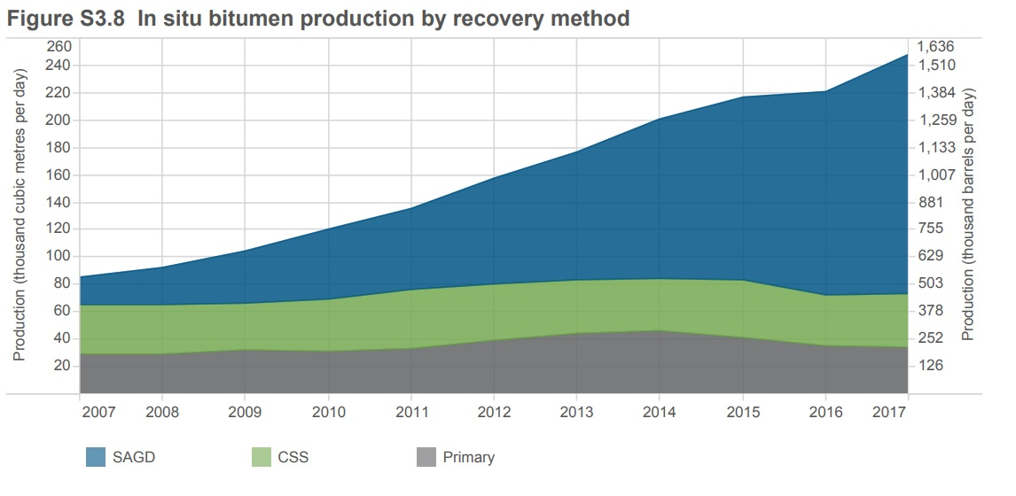
Figure S3.8
Year | Primary | CSS | SAGD | Primary | CSS | SAGD
 | (includes enhanced recovery) |  | (includes experimental) | (includes enhanced recovery) |  | (includes experimental)
 | 103 m3/d | 103 m3/d | 103 m3/d | 103 bbl/d | 103 bbl/d | 103 bbl/d
1998 | 16.1 | 29.4 | 0.0 | 101.3 | 185.0 | 0.0
1999 | 13.6 | 27.9 | 0.0 | 85.6 | 175.6 | 0.0
2000 | 19.1 | 25.8 | 0.0 | 120.2 | 162.4 | 0.0
2001 | 18.7 | 28.0 | 0.1 | 117.7 | 176.2 | 0.6
2002 | 18.6 | 25.9 | 3.3 | 117.0 | 163.0 | 20.8
2003 | 19.8 | 28.7 | 6.7 | 124.6 | 180.6 | 42.2
2004 | 20.7 | 28.9 | 11.1 | 130.3 | 181.9 | 69.9
2005 | 23.8 | 32.4 | 13.2 | 149.8 | 203.9 | 83.1
2006 | 25.2 | 35.8 | 17.0 | 158.6 | 225.3 | 107.0
2007 | 29.0 | 36.6 | 19.5 | 182.5 | 230.3 | 122.7
2008 | 29.6 | 35.4 | 27.6 | 186.3 | 222.8 | 173.7
2009 | 32.3 | 34.0 | 38.4 | 203.3 | 214.0 | 241.6
2010 | 30.9 | 38.8 | 50.5 | 194.5 | 244.2 | 317.8
2011 | 33.6 | 42.2 | 59.5 | 211.4 | 265.6 | 374.4
2012 | 39.0 | 41.2 | 77.4 | 245.4 | 259.3 | 487.1
2013 | 43.7 | 40.1 | 92.4 | 275.0 | 252.3 | 581.5
2014 | 46.0 | 38.6 | 116.6 | 289.5 | 242.9 | 733.8
2015 | 41.6 | 41.9 | 133.4 | 261.8 | 263.7 | 839.5
2016 | 35.1 | 37.6 | 148.3 | 220.9 | 236.6 | 933.2
2017 | 33.9 | 39.1 | 175.3 | 213.3 | 246.1 | 1103.1

Year | Primary | CSS | SAGD
1990 | 35.38 | 64.62 | 0.00
1991 | 35.38 | 64.62 | 0.00
1992 | 35.38 | 64.62 | 0.00
1993 | 35.38 | 64.62 | 0.00
1994 | 35.38 | 64.62 | 0.00
1995 | 35.38 | 64.62 | 0.00
1996 | 35.38 | 64.62 | 0.00
1997 | 35.38 | 64.62 | 0.00
1998 | 35.38 | 64.62 | 0.00
1999 | 32.77 | 67.23 | 0.00
2000 | 42.54 | 57.46 | 0.00
2001 | 39.96 | 59.83 | 0.21
2002 | 38.91 | 54.18 | 6.90
2003 | 35.87 | 51.99 | 12.14
2004 | 34.10 | 47.61 | 18.29
2005 | 34.29 | 46.69 | 19.02
2006 | 32.31 | 45.90 | 21.79
2007 | 34.08 | 43.01 | 22.91
2008 | 31.97 | 38.23 | 29.81
2009 | 30.85 | 32.47 | 36.68
2010 | 25.71 | 32.28 | 42.01
2011 | 24.83 | 31.19 | 43.98
2012 | 24.75 | 26.14 | 49.11
2013 | 24.80 | 22.76 | 52.44
2014 | 22.86 | 19.18 | 57.95
2015 | 19.18 | 19.32 | 61.50
2016 | 15.88 | 17.01 | 67.10
2017 | 13.65 | 15.75 | 70.60

